Controls CA Gap Analysis
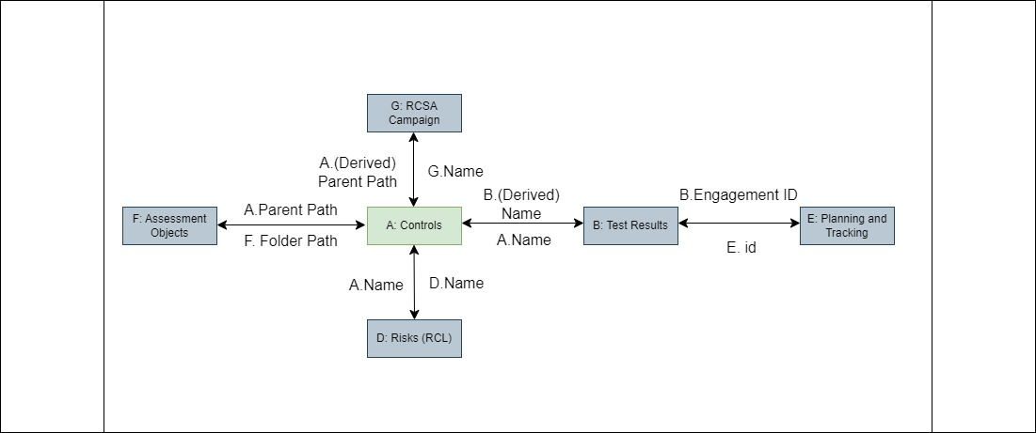
CA Controls |  | ORMS Controls (A) |  | RCL (D) |  | RCSA (G) |  | Planning and Tracking (E) |  | Assessment Object (F) |  | ORMS Control Testing_results (B) |  | ORMS Test Plan (Remove) (C) |  | Gap
Control_ID | . | Name | Control_008318 | Name | Control_000373 |  |  |  |  |  |  | Derived (Control_Test.Name) | TResult_107601_TPlan_8862_Control_080470 |  |  | No | If table content is empty - Orange
Engagement_ID | . |  |  |  |  |  |  | id | 2696 |  |  | Engagement ID | Null |  |  | No
Control_Narrative | . | Description | Transaction completeness, accuracy and validity checks are defined, implemented and exceptions noted are resolved. | Description | A monitoring control designed to ensure the integrity of Absa Group Financial Reporting including applicable disclosures, reinforcing the control environment that supports it. Achieved by establishing appropriate control and ownership at an account balance level. | Description | RSCA Disputes |  |  |  |  | Description | 2023 On adhoc basis, Sourcing Manager reviews and sign the supplier risk assessment to confirm that the assessment has been accurately completed |  |  | No | # 1ST DESCRIPTION IS FOR RISK (RCL)
Risk_Ref#1 | . | Parent Objects | Risk_001405 | Parent Objects | Risk_000076 |  |  |  |  |  |  |  |  |  |  | No
Risk_Ref#2 | . | Derived(Parent Path) | /ABSA Group Limited/Africa Region Operations/Uganda/Retail and Business Banking/RA_2546 |  |  | Name | RA_0048 |  |  | Derived(Folder Path) -Key |  |  |  |  |  | No | #To Be removed
Risk Narrative | . |  |  | Description | The risk of recording invalid amounts or amounts that are not in accordance with IFRS, relevant regulatory requirement or internally defined criteria and what should have been recorded has not been recorded or recorded in an incorrect period. |  |  |  |  |  |  |  |  | Description | Section 2.2.6 of the Group Model Risk Policy: All models must be validated by IVU prior to approval and first use. The frequency, extent and outcome of the review and challenge during inception and periodic validations are tailored to the model’s materiality and risk assessment, as specified in the Model Validation Standard. The completion of the inception validation is evidenced by the review and sign-off of the Validation Report by Sub-head or Head of IVU. | No | # 2ND DESCRIPTION IS FOR CONTROLS (RCL)
Primary/Principal Risk (ERMF) | . |  |  | Risk Category - Principal Risk | Operational and Resilience Risk |  |  |  |  |  |  |  |  |  |  | No
Secondary/Sub Risk Type (ERMF) | . |  |  | Risk Category - Specialist Risk Type | Financial Reporting Risk |  |  |  |  |  |  |  |  |  |  | No
Control_Assurance_Product# | . |  |  |  |  |  |  | type_of_assurance_activity | CPA Review, Risk-based Control Testing, Self Assessment |  |  |  |  |  |  | No
Control_Assurance_Outcome_1 | . | Design Effectiveness Rating | Effective, Ineffective | Design Effectiveness Rating |  |  |  |  |  |  |  | Design Effectiveness Assessment Result | Effective, Ineffective |  |  | No
Control_Assurance_Outcome_2 | . | Operating Effectiveness Rating | Effective, Ineffective | Operating Effectiveness Rating | Effective, Ineffective |  |  |  |  |  |  | Operating Effectiveness Testing Result | Effective, Ineffective |  |  | No
Engagement Outcome | . |  |  |  |  |  |  | final_report_review_rating | Needs Improvement, Satisfactory |  |  |  |  |  |  | No
Control_Type | . | Control Type | Detective, Limiting,Preventive | Control Type | Null |  |  |  |  |  |  |  |  |  |  | No
CPA | . |  |  |  |  |  |  |  |  | Derived (Group Level Process Criticality = Major OR Critical) | Yes/No |  |  |  |  | No
ICFR | . | Internal Control Over Financial Reporting | Yes/No | Internal Control Over Financial Reporting | Yes/No |  |  |  |  |  |  |  |  |  |  | No
Key and Non Key Controls | . | Is this a key control? | Yes/No | Is this a key control? | Null |  |  |  |  |  |  |  |  |  |  | No

[a- Controls ; b- Test Results; c- Test Plans; d- Risks (RCL); e- Planning and Tracking; f- Assessment Objects; g-RCSA Campaign] |  | ADG/B |  | ADG |  | ADG |  | BE |  | FG |  | ABE

